Example Funding Summary Form
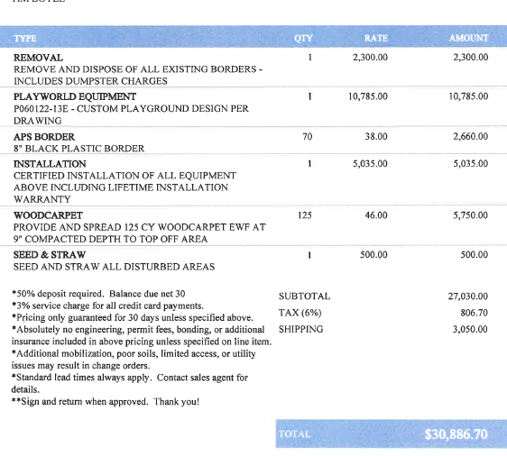
Quote #2
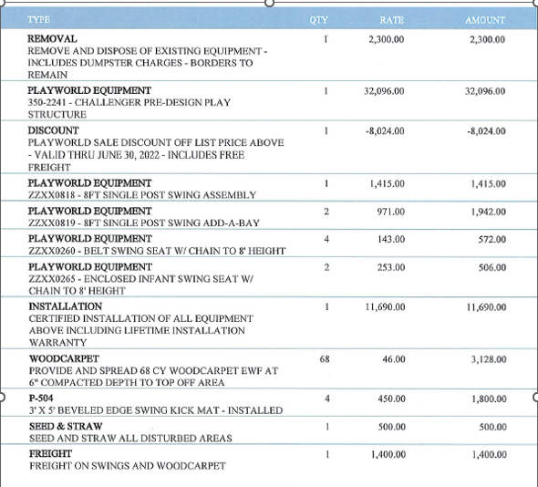
Quote #1
 | Note: The example quotes are provided to show the workflow for this document. Both both quotes are required to be uploaded as noted in the Grant Guidelines.
 | Project Priorities and Funding Summary Form

 | Project Priorities: List out project items. Note - A quote is a binding breakdown of all expenses to complete a job or provide a product at a predetermined price within specific timelines. Written quotes must be obtained from two or more vendors for any job or product with a cost of $1,000 or more. If the applicant is unable to obtain a second quote or does not recommend the lowest quote, then a written justification must be provided on the funding form. Note the organization must complete the form using the lower of the two quotes.

 | Project Priorities | 1st Quoted Cost | 2nd Quoted Cost
1 | Playground Replacement | 28,507.00 | 10,785.00
2 | New Wood Carpet & Border | 4,928.00 | 8,410.00
3 | Demolition/Removal | 2,300.00 | 2,300.00
4 | Installation | 11,690.00 | 5,035.00
5 | Sales Tax / Shipping | 3,110.42 | 3,856.70
6 | Misc Materials | 500.00 | 500.00
 | Totals: | 51,035.42 | 30,886.70

 | Project Funding Summary: Enter the lowest quoted price for this project
 | Expenses
 | General Demolition / Take Down Costs / Removal |  | 2,300.00
 | Project Material / Equipment |  | 19,195.00
 | Project Labor / Installation |  | 5,035.00
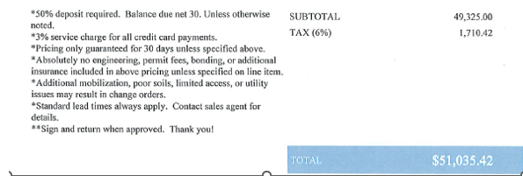
 | Miscellaneous Fees & Expenses |  | 500.00
 | Sales Tax / Shipping |  | 3,856.70
 |  | Total Expenditures: | 30,886.70

 | Cash/Revenue
 | Organization's Committed Funding Towards Project |  | 12,500.00 | Funding directly from the organization
 | Other Private Support (Donations) |  | 250.70
 | Other Government Support (Other Grant Funds) |  | -
 | Frederick County Community Grant Amount Requested (Not to exceed $25,000) |  | 18,136.00
 |  | Total Income | 30,886.70

 | Variance: |  | -

 | Please describe your in-kind contribution to your proposed project:
 | Volunteers will help dissemble the old playground and help clean up when construction is done.

